1. Title Page
Achievement 4.10

Project Name: Instacart Grocery Basket Analysis
Date: 10-1-25
Analyst Name: Tana Tamaki

Contents:
Population Flow
Consistency checks
Wrangling steps
Column derivations
Visualizations
Recommendations

Citation:
“The Instacart Online Grocery Shopping Dataset 2017”, Accessed from www.instacart.com/datasets/grocery-shopping-2017 via Kaggle on [date].

Note:
Open-source data sets from Instacart were used for this project.
Customer data set and 'prices' column in the products data were fabricated for the purpose of this course.

2. Population Flow
 |  | Title page

Population flow

Final Dataframe Shape Used for Analysis:
30,964,564

Orders_products_combined
Orders_products_merged
Orders_products_all

Total:
Total:
Total:
32,404,859
32,434,489 | 32,404,859

1.) The grey boxes in the first row of the population flow represent the original data sets as they were when you downloaded them. In the Total fields you need to add the count of the rows when you imported the data set into Jupyter.
2.) The second row of boxes (coloured) represents the data sets after you manipulated them, e.g., removed missing values and duplicates. In the Total fields you need to add the count of the rows after conducting these operations. This offers a visual oveview of how the data flows throughout the data consistency checks.
3.) The third row, where also the arrows are coloured, represents the merges you performed between the datasets. In the Total fields you need to add the count of the rows in the merged datasets, so that you end up with the final dataset (in the red box). Keep in mind the final dataset should be without exclusions (based on the exclusion flag).

3. Consistency checks
 |  |  |  |  |  |  | Title page
Consistency checks

Dataset | Missing values | Missing values treatment | Duplicates
orders | 206,209 missing values (in 'days_since_prior_order' column) | Kept values - not actually "missing" represents first orders of customers (Checked/verified with crosstab included below) | 0
products | 16 missing values (in 'product_name' column) | Made/used new dataframe without the missing values (df_prods_clean_no_dups) | 5
orders_products_prior | N/A | N/A | N/A
customers | 0 | N/A | 0
customers | 11,259 missing values (in 'first_name' column) | Kept as missing - not relevant to analysis (first and last name columns not used in analysis) | N/A (column dropped from data and not used in analysis)

Crosstab confirms that all first orders (order_number 1) correspond to days_since_prior_order being 0, meaning these are customer's first orders (and not missing values).

 | order_number
days_since_prior_order | 1 | 2 | 3 | 4 | 5 | 6 | 7 | 8 | 9 | 10 | 11 | 12 | 13 | 14 | 15 | 16 | 17 | 18 | 19 | 20 | 21 | 22 | 23 | 24 | 25 | 26 | 27 | 28 | 29 | 30 | 31 | 32 | 33 | 34 | 35 | 36 | 37 | 38 | 39 | 40 | 41 | 42 | 43 | 44 | 45 | 46 | 47 | 48 | 49 | 50 | 51 | 52 | 53 | 54 | 55 | 56 | 57 | 58 | 59 | 60 | 61 | 62 | 63 | 64 | 65 | 66 | 67 | 68 | 69 | 70 | 71 | 72 | 73 | 74 | 75 | 76 | 77 | 78 | 79 | 80 | 81 | 82 | 83 | 84 | 85 | 86 | 87 | 88 | 89 | 90 | 91 | 92 | 93 | 94 | 95 | 96 | 97 | 98 | 99 | 100
0 | 0 | 2899 | 2915 | 2964 | 2634 | 2443 | 2236 | 2101 | 1972 | 1782 | 1815 | 1567 | 1460 | 1383 | 1355 | 1264 | 1210 | 1225 | 1100 | 1037 | 1092 | 999 | 948 | 932 | 918 | 841 | 890 | 806 | 812 | 785 | 710 | 749 | 685 | 678 | 680 | 659 | 636 | 603 | 581 | 592 | 623 | 551 | 538 | 542 | 478 | 516 | 489 | 452 | 456 | 402 | 396 | 432 | 400 | 366 | 355 | 362 | 347 | 338 | 324 | 352 | 308 | 334 | 297 | 293 | 253 | 310 | 277 | 265 | 242 | 240 | 243 | 232 | 235 | 219 | 195 | 229 | 227 | 190 | 188 | 167 | 183 | 180 | 171 | 174 | 173 | 179 | 168 | 174 | 154 | 153 | 156 | 154 | 125 | 151 | 151 | 153 | 120 | 144 | 134 | 137
1 | 0 | 4822 | 4613 | 4690 | 4423 | 4047 | 4000 | 3744 | 3503 | 3358 | 3316 | 3120 | 3036 | 2929 | 2882 | 2828 | 2654 | 2545 | 2456 | 2435 | 2385 | 2163 | 2105 | 2081 | 2035 | 2000 | 1987 | 1866 | 1884 | 1850 | 1792 | 1762 | 1669 | 1613 | 1550 | 1460 | 1505 | 1459 | 1476 | 1420 | 1365 | 1355 | 1304 | 1300 | 1293 | 1247 | 1232 | 1206 | 1157 | 1117 | 1157 | 1034 | 1014 | 1037 | 1011 | 947 | 917 | 922 | 898 | 848 | 823 | 847 | 775 | 806 | 746 | 716 | 724 | 648 | 659 | 664 | 630 | 637 | 591 | 627 | 590 | 562 | 571 | 566 | 530 | 565 | 494 | 492 | 496 | 477 | 447 | 458 | 435 | 412 | 432 | 406 | 397 | 396 | 373 | 359 | 366 | 330 | 356 | 360 | 339 | 321
2 | 0 | 6203 | 6209 | 6231 | 5789 | 5679 | 5274 | 5090 | 4914 | 4705 | 4536 | 4362 | 4247 | 4089 | 3936 | 3746 | 3674 | 3522 | 3475 | 3249 | 3192 | 3197 | 3080 | 2982 | 2891 | 2863 | 2718 | 2637 | 2532 | 2566 | 2411 | 2361 | 2294 | 2308 | 2181 | 2141 | 2132 | 2054 | 1990 | 1905 | 1871 | 1840 | 1727 | 1671 | 1627 | 1647 | 1529 | 1616 | 1513 | 1423 | 1427 | 1354 | 1318 | 1288 | 1249 | 1193 | 1181 | 1143 | 1083 | 1081 | 1091 | 1005 | 1019 | 980 | 938 | 941 | 852 | 887 | 852 | 823 | 820 | 782 | 754 | 718 | 705 | 698 | 653 | 630 | 614 | 577 | 590 | 544 | 545 | 552 | 515 | 475 | 474 | 495 | 422 | 430 | 416 | 405 | 407 | 389 | 359 | 351 | 359 | 346 | 318 | 329
3 | 0 | 7411 | 7577 | 7414 | 7097 | 6770 | 6424 | 6078 | 5750 | 5663 | 5456 | 5216 | 4994 | 4822 | 4584 | 4534 | 4336 | 4154 | 4070 | 3836 | 3812 | 3735 | 3594 | 3473 | 3395 | 3257 | 3079 | 3136 | 2976 | 2737 | 2749 | 2764 | 2662 | 2521 | 2431 | 2403 | 2284 | 2276 | 2161 | 2272 | 2020 | 1989 | 1940 | 1875 | 1802 | 1756 | 1694 | 1661 | 1549 | 1627 | 1484 | 1517 | 1412 | 1329 | 1269 | 1278 | 1202 | 1157 | 1169 | 1038 | 1096 | 1030 | 982 | 980 | 898 | 838 | 857 | 785 | 831 | 746 | 709 | 695 | 668 | 673 | 641 | 610 | 578 | 573 | 560 | 523 | 527 | 494 | 447 | 430 | 444 | 426 | 417 | 360 | 382 | 357 | 345 | 287 | 330 | 294 | 291 | 292 | 254 | 221 | 240 | 223
4 | 0 | 8415 | 8476 | 8469 | 8029 | 7608 | 7092 | 6735 | 6534 | 6395 | 6080 | 5741 | 5406 | 5192 | 5010 | 4840 | 4595 | 4490 | 4276 | 4083 | 3928 | 3949 | 3857 | 3556 | 3617 | 3356 | 3213 | 3137 | 2966 | 2854 | 2782 | 2647 | 2512 | 2585 | 2473 | 2355 | 2309 | 2202 | 2178 | 1978 | 1965 | 1924 | 1894 | 1872 | 1746 | 1658 | 1591 | 1555 | 1511 | 1398 | 1349 | 1256 | 1254 | 1217 | 1126 | 1133 | 1146 | 1014 | 976 | 986 | 884 | 867 | 830 | 730 | 771 | 720 | 687 | 633 | 603 | 634 | 620 | 550 | 542 | 501 | 517 | 436 | 460 | 428 | 410 | 425 | 377 | 384 | 332 | 291 | 301 | 281 | 278 | 268 | 263 | 253 | 221 | 238 | 225 | 191 | 193 | 185 | 183 | 170 | 170 | 153
5 | 0 | 9216 | 9329 | 9220 | 8600 | 8228 | 7703 | 7270 | 6828 | 6563 | 6148 | 5773 | 5581 | 5419 | 5046 | 4884 | 4816 | 4562 | 4355 | 4210 | 4067 | 3812 | 3579 | 3677 | 3439 | 3198 | 3186 | 2996 | 2873 | 2819 | 2775 | 2541 | 2520 | 2320 | 2236 | 2126 | 2065 | 1927 | 1914 | 1897 | 1777 | 1695 | 1582 | 1512 | 1483 | 1408 | 1338 | 1264 | 1242 | 1131 | 1100 | 1070 | 1025 | 980 | 931 | 847 | 849 | 792 | 711 | 695 | 635 | 598 | 599 | 555 | 523 | 516 | 454 | 506 | 463 | 412 | 391 | 393 | 350 | 343 | 321 | 306 | 243 | 264 | 251 | 254 | 231 | 236 | 188 | 192 | 216 | 193 | 170 | 155 | 142 | 162 | 142 | 128 | 105 | 119 | 119 | 120 | 100 | 95 | 82 | 81
6 | 0 | 11419 | 11701 | 11601 | 10771 | 10054 | 9521 | 8842 | 8527 | 7727 | 7628 | 7210 | 6661 | 6337 | 6121 | 5714 | 5487 | 5228 | 5030 | 4839 | 4647 | 4326 | 4207 | 3879 | 3650 | 3615 | 3374 | 3260 | 3108 | 2981 | 2810 | 2745 | 2598 | 2524 | 2384 | 2309 | 2135 | 2054 | 1989 | 1855 | 1766 | 1642 | 1563 | 1552 | 1492 | 1321 | 1264 | 1109 | 1124 | 1047 | 1002 | 880 | 864 | 777 | 779 | 728 | 636 | 594 | 587 | 566 | 504 | 455 | 472 | 417 | 434 | 370 | 364 | 322 | 327 | 296 | 274 | 233 | 248 | 234 | 203 | 176 | 205 | 174 | 161 | 154 | 152 | 128 | 134 | 140 | 120 | 112 | 97 | 104 | 92 | 78 | 77 | 91 | 86 | 82 | 67 | 59 | 58 | 50 | 58 | 44
7 | 0 | 16788 | 16609 | 16341 | 15135 | 13834 | 13268 | 12452 | 11612 | 10980 | 10159 | 9735 | 9462 | 8802 | 8298 | 7995 | 7428 | 7143 | 6771 | 6489 | 6224 | 5896 | 5698 | 5300 | 5057 | 4829 | 4517 | 4311 | 4236 | 4010 | 3713 | 3566 | 3363 | 3160 | 2976 | 2888 | 2777 | 2666 | 2430 | 2361 | 2285 | 2152 | 2025 | 1802 | 1721 | 1651 | 1577 | 1463 | 1329 | 1270 | 1158 | 1131 | 956 | 894 | 787 | 666 | 645 | 574 | 570 | 506 | 455 | 437 | 376 | 336 | 332 | 328 | 299 | 262 | 228 | 215 | 212 | 216 | 197 | 168 | 158 | 166 | 156 | 137 | 126 | 101 | 98 | 104 | 100 | 92 | 83 | 73 | 68 | 66 | 70 | 70 | 60 | 56 | 48 | 56 | 36 | 37 | 37 | 41 | 32 | 35
8 | 0 | 10422 | 10304 | 10148 | 9378 | 8738 | 8068 | 7594 | 6894 | 6511 | 6148 | 5801 | 5416 | 5125 | 4893 | 4484 | 4200 | 4026 | 3793 | 3680 | 3348 | 3282 | 2967 | 2892 | 2702 | 2583 | 2415 | 2352 | 2121 | 2017 | 1937 | 1759 | 1723 | 1533 | 1537 | 1426 | 1392 | 1301 | 1213 | 1123 | 1055 | 996 | 940 | 851 | 819 | 750 | 693 | 649 | 628 | 593 | 525 | 459 | 448 | 380 | 336 | 333 | 275 | 275 | 257 | 235 | 233 | 221 | 181 | 163 | 162 | 134 | 118 | 130 | 117 | 122 | 96 | 99 | 102 | 89 | 79 | 70 | 74 | 68 | 71 | 51 | 49 | 36 | 52 | 57 | 25 | 34 | 31 | 38 | 37 | 22 | 29 | 22 | 24 | 26 | 23 | 30 | 18 | 16 | 12 | 13
9 | 0 | 7053 | 7160 | 7013 | 6610 | 5993 | 5497 | 5082 | 4760 | 4404 | 4154 | 3776 | 3670 | 3422 | 3167 | 2978 | 2761 | 2566 | 2502 | 2285 | 2156 | 1964 | 1955 | 1812 | 1654 | 1520 | 1541 | 1431 | 1332 | 1246 | 1158 | 1128 | 1040 | 934 | 949 | 836 | 757 | 739 | 658 | 662 | 590 | 543 | 513 | 499 | 441 | 387 | 381 | 310 | 311 | 311 | 267 | 237 | 224 | 224 | 202 | 178 | 168 | 167 | 153 | 146 | 126 | 99 | 94 | 98 | 97 | 76 | 92 | 83 | 58 | 57 | 47 | 46 | 39 | 58 | 40 | 41 | 34 | 40 | 38 | 31 | 27 | 27 | 34 | 25 | 11 | 21 | 18 | 19 | 27 | 15 | 12 | 8 | 14 | 12 | 8 | 6 | 7 | 8 | 7 | 11
10 | 0 | 5969 | 6037 | 5938 | 5376 | 5018 | 4479 | 4245 | 3844 | 3531 | 3403 | 3237 | 2963 | 2834 | 2517 | 2329 | 2268 | 2032 | 1916 | 1832 | 1676 | 1514 | 1493 | 1405 | 1372 | 1265 | 1160 | 1035 | 994 | 946 | 903 | 827 | 792 | 721 | 674 | 629 | 589 | 553 | 535 | 431 | 451 | 433 | 363 | 341 | 325 | 315 | 295 | 273 | 208 | 222 | 211 | 189 | 182 | 149 | 144 | 128 | 135 | 107 | 99 | 92 | 92 | 69 | 71 | 76 | 83 | 61 | 61 | 55 | 42 | 43 | 30 | 46 | 50 | 34 | 46 | 32 | 27 | 30 | 20 | 24 | 19 | 16 | 27 | 22 | 22 | 16 | 19 | 9 | 15 | 6 | 9 | 20 | 10 | 6 | 11 | 1 | 7 | 4 | 4 | 7
11 | 0 | 5352 | 5388 | 5325 | 4718 | 4363 | 4087 | 3767 | 3429 | 3180 | 2941 | 2771 | 2540 | 2329 | 2194 | 2086 | 1946 | 1745 | 1604 | 1540 | 1363 | 1369 | 1147 | 1103 | 1011 | 1007 | 966 | 847 | 790 | 702 | 742 | 603 | 594 | 541 | 541 | 481 | 458 | 387 | 366 | 365 | 323 | 282 | 293 | 263 | 237 | 211 | 198 | 184 | 174 | 151 | 158 | 134 | 125 | 126 | 105 | 98 | 102 | 89 | 72 | 59 | 72 | 55 | 64 | 52 | 52 | 36 | 39 | 36 | 26 | 41 | 38 | 29 | 29 | 23 | 28 | 27 | 21 | 15 | 19 | 19 | 16 | 23 | 11 | 13 | 10 | 9 | 8 | 9 | 4 | 5 | 13 | 13 | 5 | 7 | 8 | 6 | 6 | 1 | 3 | 7
12 | 0 | 5206 | 5357 | 5348 | 4657 | 4333 | 3954 | 3568 | 3404 | 2941 | 2733 | 2613 | 2438 | 2185 | 2085 | 1943 | 1814 | 1591 | 1493 | 1429 | 1253 | 1178 | 1096 | 1039 | 949 | 835 | 780 | 724 | 681 | 642 | 597 | 553 | 496 | 455 | 459 | 430 | 373 | 371 | 328 | 299 | 285 | 246 | 230 | 207 | 199 | 194 | 169 | 142 | 139 | 142 | 120 | 128 | 101 | 94 | 69 | 71 | 67 | 66 | 67 | 66 | 42 | 45 | 52 | 36 | 40 | 43 | 32 | 35 | 38 | 22 | 28 | 25 | 25 | 22 | 20 | 20 | 9 | 19 | 16 | 11 | 14 | 7 | 11 | 11 | 14 | 5 | 8 | 7 | 8 | 6 | 4 | 5 | 4 | 5 | 6 | 5 | 5 | 1 | 5 | 3
13 | 0 | 6098 | 6265 | 6003 | 5520 | 4855 | 4480 | 4083 | 3708 | 3408 | 3199 | 2847 | 2646 | 2357 | 2230 | 2028 | 1943 | 1786 | 1581 | 1396 | 1407 | 1210 | 1148 | 1034 | 974 | 899 | 813 | 703 | 728 | 644 | 592 | 523 | 479 | 490 | 447 | 401 | 352 | 326 | 296 | 286 | 277 | 228 | 210 | 204 | 162 | 175 | 172 | 117 | 118 | 107 | 99 | 85 | 91 | 77 | 74 | 72 | 49 | 51 | 46 | 33 | 48 | 39 | 33 | 37 | 26 | 23 | 27 | 39 | 23 | 19 | 17 | 17 | 14 | 8 | 10 | 20 | 9 | 14 | 16 | 7 | 12 | 11 | 8 | 11 | 6 | 9 | 6 | 6 | 8 | 8 | 8 | 9 | 5 | 6 | 5 | 2 | 3 | 6 | 6 | 1
14 | 0 | 7680 | 7529 | 7577 | 6951 | 6004 | 5549 | 4976 | 4563 | 4187 | 3775 | 3471 | 3194 | 2922 | 2630 | 2482 | 2298 | 2107 | 1881 | 1759 | 1537 | 1439 | 1344 | 1235 | 1105 | 1053 | 981 | 878 | 762 | 747 | 694 | 596 | 561 | 503 | 438 | 441 | 413 | 332 | 328 | 257 | 265 | 216 | 239 | 219 | 184 | 172 | 164 | 144 | 118 | 109 | 100 | 65 | 85 | 65 | 65 | 80 | 69 | 64 | 59 | 42 | 42 | 35 | 36 | 36 | 19 | 19 | 34 | 27 | 26 | 21 | 20 | 26 | 18 | 15 | 8 | 13 | 14 | 13 | 9 | 6 | 7 | 7 | 9 | 6 | 7 | 4 | 5 | 6 | 2 | 3 | 1 | 3 | 12 | 3 | 3 | 3 | 4 | 2 | 1 | 2
15 | 0 | 5219 | 5121 | 5225 | 4588 | 4068 | 3670 | 3384 | 3046 | 2793 | 2566 | 2398 | 2109 | 1908 | 1761 | 1626 | 1478 | 1294 | 1223 | 1152 | 1002 | 996 | 843 | 767 | 755 | 616 | 611 | 575 | 499 | 488 | 396 | 391 | 353 | 307 | 281 | 258 | 240 | 242 | 196 | 188 | 151 | 178 | 154 | 138 | 123 | 97 | 97 | 101 | 76 | 95 | 50 | 50 | 46 | 59 | 50 | 42 | 30 | 36 | 35 | 25 | 21 | 23 | 23 | 23 | 11 | 19 | 12 | 10 | 15 | 12 | 14 | 9 | 11 | 9 | 7 | 11 | 4 | 5 | 6 | 5 | 4 | 3 | 9 | 7 | 7 | 5 | 3 | 1 | 1 | 4 | 3 | 3 | 2 | 1 | 3 | 2 | 2 | 1 | 1 | 1
16 | 0 | 3791 | 3794 | 3690 | 3316 | 2994 | 2665 | 2370 | 2269 | 2085 | 1815 | 1598 | 1462 | 1350 | 1220 | 1090 | 1008 | 983 | 851 | 754 | 694 | 645 | 559 | 571 | 492 | 432 | 356 | 367 | 342 | 262 | 249 | 253 | 228 | 205 | 181 | 187 | 161 | 150 | 127 | 119 | 97 | 87 | 87 | 76 | 88 | 66 | 72 | 71 | 48 | 60 | 42 | 42 | 38 | 34 | 42 | 28 | 25 | 24 | 19 | 16 | 11 | 7 | 12 | 10 | 14 | 7 | 9 | 5 | 5 | 6 | 11 | 7 | 10 | 6 | 9 | 3 | 6 | 4 | 6 | 2 | 5 | 5 | 3 | 2 | 4 | 2 | 4 | 2 | 1 | 2 | 1 | 1 | 0 | 2 | 0 | 3 | 2 | 3 | 1 | 1
17 | 0 | 3131 | 3241 | 3226 | 2823 | 2546 | 2152 | 2039 | 1791 | 1662 | 1498 | 1323 | 1276 | 1145 | 1024 | 944 | 846 | 820 | 729 | 636 | 566 | 544 | 497 | 444 | 370 | 367 | 329 | 280 | 257 | 208 | 205 | 194 | 197 | 165 | 160 | 142 | 118 | 103 | 107 | 88 | 112 | 87 | 65 | 69 | 58 | 56 | 54 | 48 | 44 | 32 | 38 | 33 | 30 | 23 | 32 | 17 | 18 | 25 | 15 | 10 | 18 | 14 | 13 | 19 | 6 | 5 | 6 | 10 | 8 | 6 | 5 | 7 | 4 | 3 | 9 | 3 | 3 | 3 | 2 | 3 | 3 | 7 | 1 | 1 | 3 | 2 | 4 | 1 | 2 | 2 | 0 | 4 | 1 | 1 | 1 | 2 | 2 | 0 | 2 | 0
18 | 0 | 3041 | 2971 | 2904 | 2660 | 2337 | 2078 | 1850 | 1730 | 1531 | 1399 | 1291 | 1145 | 1042 | 921 | 823 | 738 | 727 | 656 | 596 | 495 | 453 | 385 | 370 | 350 | 302 | 277 | 247 | 212 | 205 | 191 | 191 | 172 | 135 | 154 | 136 | 90 | 95 | 95 | 76 | 80 | 69 | 64 | 57 | 39 | 43 | 40 | 32 | 39 | 31 | 28 | 28 | 21 | 19 | 21 | 18 | 10 | 9 | 19 | 18 | 11 | 11 | 7 | 8 | 3 | 10 | 5 | 9 | 7 | 4 | 3 | 2 | 4 | 0 | 1 | 2 | 4 | 1 | 7 | 1 | 6 | 1 | 1 | 2 | 3 | 0 | 3 | 0 | 2 | 0 | 1 | 1 | 0 | 2 | 0 | 1 | 0 | 0 | 2 | 0
19 | 0 | 2861 | 2999 | 2877 | 2579 | 2359 | 2081 | 1872 | 1621 | 1469 | 1343 | 1190 | 1116 | 966 | 878 | 770 | 687 | 658 | 612 | 486 | 478 | 456 | 390 | 338 | 314 | 258 | 235 | 237 | 223 | 172 | 177 | 167 | 135 | 152 | 121 | 116 | 78 | 80 | 71 | 47 | 55 | 62 | 56 | 45 | 42 | 36 | 35 | 44 | 30 | 28 | 34 | 30 | 16 | 20 | 15 | 17 | 6 | 13 | 7 | 8 | 10 | 3 | 7 | 8 | 6 | 9 | 1 | 5 | 3 | 7 | 6 | 5 | 2 | 3 | 5 | 3 | 3 | 5 | 1 | 3 | 1 | 0 | 5 | 0 | 2 | 2 | 2 | 1 | 0 | 0 | 2 | 0 | 0 | 0 | 1 | 2 | 2 | 0 | 0 | 1
20 | 0 | 3411 | 3380 | 3427 | 2953 | 2593 | 2355 | 2113 | 1810 | 1677 | 1418 | 1365 | 1178 | 1080 | 974 | 885 | 766 | 696 | 643 | 594 | 522 | 451 | 417 | 349 | 305 | 297 | 265 | 207 | 219 | 225 | 178 | 163 | 146 | 151 | 136 | 107 | 93 | 83 | 93 | 68 | 65 | 58 | 53 | 47 | 46 | 36 | 38 | 36 | 25 | 29 | 24 | 27 | 17 | 17 | 17 | 15 | 12 | 18 | 10 | 8 | 8 | 10 | 3 | 8 | 9 | 13 | 10 | 5 | 1 | 2 | 0 | 5 | 3 | 3 | 5 | 3 | 3 | 2 | 3 | 5 | 4 | 6 | 7 | 1 | 1 | 2 | 1 | 3 | 1 | 2 | 4 | 1 | 0 | 1 | 0 | 0 | 0 | 0 | 0 | 1
21 | 0 | 4258 | 4205 | 4067 | 3459 | 3263 | 2801 | 2429 | 2205 | 2021 | 1720 | 1566 | 1362 | 1235 | 1112 | 978 | 870 | 801 | 706 | 645 | 611 | 478 | 469 | 422 | 378 | 365 | 291 | 261 | 250 | 242 | 191 | 170 | 157 | 176 | 137 | 122 | 103 | 98 | 76 | 74 | 69 | 55 | 45 | 43 | 51 | 41 | 39 | 34 | 39 | 26 | 19 | 13 | 20 | 16 | 18 | 21 | 15 | 11 | 6 | 9 | 9 | 8 | 3 | 7 | 6 | 6 | 3 | 7 | 3 | 5 | 1 | 2 | 5 | 5 | 5 | 3 | 1 | 3 | 5 | 3 | 1 | 0 | 1 | 1 | 0 | 2 | 0 | 3 | 1 | 2 | 0 | 1 | 1 | 0 | 1 | 0 | 0 | 1 | 0 | 1
22 | 0 | 2956 | 2866 | 2887 | 2504 | 2168 | 2015 | 1756 | 1619 | 1451 | 1224 | 1135 | 966 | 870 | 839 | 703 | 634 | 567 | 462 | 474 | 414 | 330 | 352 | 294 | 251 | 231 | 193 | 195 | 142 | 140 | 130 | 141 | 93 | 105 | 86 | 82 | 76 | 70 | 40 | 57 | 51 | 38 | 34 | 36 | 30 | 27 | 35 | 28 | 24 | 14 | 15 | 25 | 13 | 14 | 15 | 10 | 7 | 10 | 4 | 7 | 5 | 1 | 6 | 1 | 3 | 3 | 2 | 2 | 3 | 2 | 3 | 2 | 2 | 3 | 2 | 2 | 0 | 3 | 2 | 1 | 0 | 0 | 1 | 1 | 0 | 1 | 0 | 2 | 0 | 0 | 1 | 0 | 0 | 0 | 1 | 0 | 0 | 0 | 1 | 1
23 | 0 | 2268 | 2296 | 2204 | 1889 | 1666 | 1516 | 1282 | 1208 | 995 | 902 | 836 | 738 | 644 | 591 | 497 | 475 | 387 | 339 | 321 | 300 | 278 | 233 | 213 | 161 | 181 | 142 | 130 | 115 | 104 | 109 | 84 | 86 | 57 | 47 | 55 | 54 | 48 | 41 | 41 | 33 | 34 | 26 | 19 | 28 | 19 | 17 | 12 | 9 | 14 | 14 | 16 | 9 | 8 | 7 | 14 | 4 | 7 | 3 | 4 | 7 | 5 | 3 | 4 | 3 | 0 | 2 | 2 | 3 | 1 | 2 | 0 | 1 | 4 | 2 | 3 | 0 | 1 | 1 | 2 | 0 | 0 | 1 | 2 | 0 | 0 | 0 | 0 | 0 | 2 | 0 | 1 | 0 | 0 | 1 | 0 | 0 | 0 | 2 | 0
24 | 0 | 1875 | 1960 | 1900 | 1754 | 1496 | 1334 | 1176 | 996 | 955 | 808 | 695 | 615 | 567 | 497 | 421 | 374 | 358 | 302 | 256 | 235 | 219 | 208 | 200 | 137 | 144 | 147 | 85 | 92 | 69 | 83 | 80 | 64 | 60 | 72 | 50 | 46 | 40 | 34 | 29 | 31 | 22 | 21 | 19 | 18 | 16 | 17 | 15 | 8 | 6 | 9 | 5 | 9 | 7 | 6 | 9 | 4 | 10 | 2 | 5 | 5 | 4 | 2 | 3 | 6 | 2 | 0 | 1 | 1 | 2 | 2 | 0 | 2 | 1 | 1 | 0 | 1 | 1 | 3 | 0 | 0 | 1 | 0 | 0 | 0 | 1 | 1 | 0 | 0 | 0 | 0 | 0 | 0 | 0 | 0 | 0 | 0 | 0 | 0 | 0
25 | 0 | 1843 | 1879 | 1847 | 1619 | 1400 | 1198 | 1016 | 964 | 807 | 683 | 677 | 604 | 523 | 485 | 396 | 345 | 330 | 277 | 255 | 227 | 222 | 160 | 130 | 137 | 124 | 111 | 111 | 90 | 95 | 71 | 66 | 53 | 43 | 43 | 32 | 34 | 35 | 31 | 29 | 22 | 15 | 23 | 21 | 17 | 8 | 5 | 9 | 10 | 12 | 9 | 5 | 11 | 1 | 6 | 6 | 3 | 7 | 5 | 2 | 2 | 6 | 5 | 5 | 3 | 1 | 3 | 4 | 0 | 1 | 4 | 0 | 0 | 0 | 2 | 0 | 1 | 1 | 0 | 1 | 2 | 1 | 2 | 1 | 0 | 0 | 0 | 0 | 0 | 0 | 0 | 0 | 0 | 0 | 0 | 0 | 0 | 0 | 0 | 0
26 | 0 | 1872 | 1890 | 1760 | 1619 | 1442 | 1238 | 1084 | 984 | 843 | 742 | 658 | 556 | 508 | 422 | 421 | 338 | 304 | 265 | 250 | 208 | 185 | 178 | 123 | 113 | 95 | 110 | 77 | 74 | 63 | 70 | 51 | 52 | 43 | 31 | 30 | 34 | 23 | 26 | 25 | 21 | 14 | 26 | 8 | 13 | 12 | 15 | 6 | 10 | 3 | 7 | 9 | 2 | 5 | 2 | 8 | 1 | 6 | 2 | 5 | 2 | 1 | 2 | 1 | 1 | 4 | 4 | 1 | 1 | 0 | 1 | 3 | 2 | 1 | 1 | 2 | 0 | 0 | 1 | 0 | 1 | 1 | 0 | 0 | 1 | 1 | 0 | 1 | 0 | 0 | 0 | 0 | 0 | 0 | 1 | 0 | 0 | 0 | 0 | 0
27 | 0 | 2177 | 2236 | 2258 | 1994 | 1598 | 1439 | 1340 | 1138 | 925 | 813 | 706 | 635 | 595 | 510 | 441 | 372 | 304 | 292 | 245 | 221 | 177 | 168 | 162 | 125 | 129 | 106 | 107 | 73 | 77 | 66 | 50 | 51 | 44 | 44 | 36 | 34 | 25 | 29 | 30 | 22 | 22 | 26 | 13 | 15 | 16 | 14 | 9 | 9 | 4 | 6 | 6 | 10 | 6 | 3 | 3 | 3 | 4 | 2 | 4 | 4 | 3 | 2 | 2 | 3 | 1 | 6 | 3 | 0 | 2 | 0 | 2 | 0 | 1 | 1 | 1 | 2 | 0 | 2 | 0 | 1 | 1 | 0 | 2 | 0 | 1 | 1 | 1 | 1 | 1 | 0 | 0 | 0 | 0 | 0 | 0 | 0 | 0 | 0 | 0
28 | 0 | 2728 | 2760 | 2797 | 2287 | 2035 | 1745 | 1592 | 1385 | 1187 | 975 | 880 | 778 | 688 | 565 | 512 | 448 | 396 | 349 | 333 | 286 | 211 | 193 | 183 | 151 | 141 | 138 | 96 | 101 | 82 | 89 | 68 | 51 | 57 | 33 | 54 | 47 | 37 | 30 | 25 | 19 | 21 | 20 | 22 | 18 | 21 | 10 | 12 | 17 | 4 | 6 | 8 | 9 | 5 | 10 | 4 | 7 | 3 | 4 | 2 | 5 | 3 | 3 | 2 | 4 | 3 | 1 | 0 | 3 | 0 | 0 | 3 | 1 | 0 | 0 | 2 | 3 | 0 | 1 | 1 | 0 | 0 | 2 | 0 | 0 | 1 | 1 | 0 | 0 | 0 | 0 | 0 | 1 | 0 | 0 | 1 | 0 | 0 | 0 | 1
29 | 0 | 1986 | 2012 | 1971 | 1711 | 1489 | 1259 | 1113 | 984 | 837 | 707 | 583 | 560 | 498 | 432 | 376 | 325 | 287 | 248 | 212 | 168 | 190 | 132 | 141 | 105 | 103 | 84 | 86 | 59 | 55 | 62 | 42 | 37 | 50 | 42 | 20 | 25 | 16 | 18 | 19 | 14 | 18 | 18 | 8 | 11 | 5 | 8 | 7 | 8 | 3 | 4 | 2 | 9 | 3 | 3 | 1 | 2 | 1 | 2 | 2 | 1 | 3 | 1 | 0 | 0 | 0 | 1 | 1 | 2 | 1 | 0 | 0 | 1 | 0 | 1 | 0 | 1 | 1 | 0 | 0 | 1 | 0 | 0 | 1 | 1 | 0 | 0 | 0 | 0 | 0 | 1 | 0 | 0 | 0 | 0 | 0 | 0 | 0 | 0 | 0
30 | 0 | 47839 | 47130 | 48887 | 38780 | 31212 | 25290 | 20575 | 16926 | 14155 | 11592 | 9740 | 8115 | 6927 | 5901 | 4871 | 4162 | 3523 | 3064 | 2623 | 2217 | 1942 | 1702 | 1392 | 1298 | 1119 | 950 | 877 | 735 | 644 | 551 | 474 | 460 | 414 | 340 | 295 | 282 | 249 | 227 | 162 | 142 | 145 | 124 | 129 | 130 | 122 | 90 | 88 | 70 | 53 | 52 | 58 | 42 | 37 | 29 | 26 | 28 | 30 | 18 | 22 | 19 | 27 | 16 | 26 | 16 | 15 | 9 | 9 | 8 | 7 | 8 | 8 | 5 | 6 | 3 | 9 | 6 | 8 | 3 | 3 | 4 | 6 | 4 | 2 | 1 | 2 | 2 | 3 | 0 | 1 | 2 | 2 | 2 | 0 | 1 | 1 | 0 | 1 | 1 | 0
 | 206209 | 0 | 0 | 0 | 0 | 0 | 0 | 0 | 0 | 0 | 0 | 0 | 0 | 0 | 0 | 0 | 0 | 0 | 0 | 0 | 0 | 0 | 0 | 0 | 0 | 0 | 0 | 0 | 0 | 0 | 0 | 0 | 0 | 0 | 0 | 0 | 0 | 0 | 0 | 0 | 0 | 0 | 0 | 0 | 0 | 0 | 0 | 0 | 0 | 0 | 0 | 0 | 0 | 0 | 0 | 0 | 0 | 0 | 0 | 0 | 0 | 0 | 0 | 0 | 0 | 0 | 0 | 0 | 0 | 0 | 0 | 0 | 0 | 0 | 0 | 0 | 0 | 0 | 0 | 0 | 0 | 0 | 0 | 0 | 0 | 0 | 0 | 0 | 0 | 0 | 0 | 0 | 0 | 0 | 0 | 0 | 0 | 0 | 0 | 0

4. Wrangling steps
 |  |  |  | Title page
Wrangling steps

Columns dropped | Columns renamed | Columns' type changed | Comment/Reason
eval_set |  |  | Irrelevant to analysis.
 | Changed 'order_dow' --> 'orders_day_of_week' |  | More descriptive.
 |  | Column 'order_id' changed from integer to string ('o') | To exclude from descriptive statistics calculations.

 |  | Changed 'user_id' from integer to string | To exclude from descriptive statistics calculations. To match data types between dataframes and allow merge between customer data on that column.

first_name |  |  | Contains PII and irrelevant to analysis.
last_name |  |  | Contains PII and irrelevant to analysis.

 | Changed 'First Name' --> 'first_name' |  | Changed for consistency - to match format of other columns.
 | Changed 'Surnam' --> 'last_name' |  | Incorrect spelling. Changed format for consistency - to match format of other columns.
 | Changed 'Gender' --> 'gender' |  | Changed for consistency - to match format of other columns.
 | Changed 'STATE' --> 'state' |  | Changed for consistency - to match format of other columns.
 | Changed 'Age' --> 'age' |  | Changed for consistency - to match format of other columns.

5. Column derivations
Frequency flags highlighted in orange.
 |  |  |  |  | Title page

Column derivations and aggregations

Dataset | New column | Column/s it was derived from | Conditions | Reason for Creation
df_ords_prods_merge | price_range_loc | prices | If value less than or equal to 5 (<= 5) = 'Low-range Product' If value more than 5 dollars, but less than or equal to 15 (<5 and <=15) = "Mid-range product" If value more than 15 dollars (>15) = 'High-range product' | To group products into price ranges.
df_ords_prods_merge | busiest_day | orders_day_of_week | result = [] for value in df_ords_prods_merge['orders_day_of_week']: if value == 0: result.append("Busiest day") elif value == 4: result.append("Least busy") else: result.append("Regular busy") | Labels the busiest and least busiest days (everything else regularly busy) of the week.
df_ords_prods_merge | busiest_days | orders_day_of_week | day_label = [] for value in df_ords_prods_merge['orders_day_of_week']: if value in [0,1]: day_label.append("Busiest days") elif value in [3,4]: day_label.append("Slowest days") else: day_label.append("Regularly busy") | Labels the top 2 busiets days and bottom 2 slowest days of the week.
df_ords_prods_merge | busiest_period_of_day | order_hour_of_day | hour_label = [] for value in df_ords_prods_merge_new['order_hour_of_day']: if value in [10, 11, 14, 15, 13, 12, 16, 9]: hour_label.append("Most orders") elif value in [23, 6, 0, 1, 5, 2, 4, 3]: hour_label.append("Fewest orders") else: hour_label.append("Average orders") | To breakdown hours of day into three periods
df_ords_prods_merge | max_order | order_number and user_id | df_ords_prods_merge['max_order'] = df_ords_prods_merge.groupby(['user_id'])['order_number'].transform('max') | To target different types of spenders in marketing campaign - shows the average price (expenditure) of users.
df_ords_prods_merge | loyalty_flag | max_order | ['max_order'] > 40, 'loyalty_flag'] = 'Loyal customer' (['max_order'] <= 40) & (df_ords_prods_merge['max_order'] > 10), 'loyalty_flag'] = 'Regular customer' ['max_order'] <= 10, 'loyalty_flag'] = 'New customer' | Categorizes customers by loyalty status.
df_ords_prods_merge | avg_product_price | prices and user_id | df_ords_prods_merge['avg_product_price'] = df_ords_prods_merge.groupby(['user_id'])['prices'].transform('mean') | Classifies customers by spending - created flags based on the average price (amount paid) on every customer's (user's) orders.
df_ords_prods_merge | spending_flag | avg_product_price | ['avg_product_price'] < 10, 'spending_flag'] = 'Low spender' ['avg_product_price'] >= 10, 'spending_flag'] = 'High spender' | Identifies customer ordering behavior - frequent vs. non-frequent customers.
df_ords_prods_merge | median_days_between_orders | days_since_prior_order and user_id | df_ords_prods_merge['median_days_between_orders'] = df_ords_prods_merge.groupby(['user_id'])['days_since_prior_order'].transform('median') | For ordering behavior of customers.
df_ords_prods_merge | ordering_behavior_flag | median_days_between_orders | ['median_days_between_orders'] > 20, 'ordering_behavior'] = 'Non-frequent customer' (['median_days_between_orders'] > 10) & (df_ords_prods_merge ['median_days_between_orders'] <= 20), 'ordering_behavior'] = 'Regular customer' ['median_days_between_orders'] <= 10, 'ordering_behavior'] = 'Frequent customer' | For customer ordering habits - used the median days that pass between orders and flagged based on that.
df_2 (final dataframe) | region | state | state_to_region = { # Northeast 'Maine': 'Northeast', 'New Hampshire': 'Northeast', 'Vermont': 'Northeast', 'Massachusetts': 'Northeast', 'Rhode Island': 'Northeast', 'Connecticut': 'Northeast', 'New York': 'Northeast', 'Pennsylvania': 'Northeast', 'New Jersey': 'Northeast', # Midwest 'Wisconsin': 'Midwest', 'Michigan': 'Midwest', 'Illinois': 'Midwest', 'Indiana': 'Midwest', 'Ohio': 'Midwest', 'North Dakota': 'Midwest', 'South Dakota': 'Midwest', 'Nebraska': 'Midwest', 'Kansas': 'Midwest', 'Minnesota': 'Midwest', 'Iowa': 'Midwest', 'Missouri': 'Midwest', # South 'Delaware': 'South', 'Maryland': 'South', 'District of Columbia': 'South', 'Virginia': 'South', 'West Virginia': 'South', 'North Carolina': 'South', 'South Carolina': 'South', 'Georgia': 'South', 'Florida': 'South', 'Kentucky': 'South', 'Tennessee': 'South', 'Mississippi': 'South', 'Alabama': 'South', 'Oklahoma': 'South', 'Texas': 'South', 'Arkansas': 'South', 'Louisiana': 'South', # West 'Idaho': 'West', 'Montana': 'West', 'Wyoming': 'West', 'Nevada': 'West', 'Utah': 'West', 'Colorado': 'West', 'Arizona': 'West', 'New Mexico': 'West', 'Alaska': 'West', 'Washington': 'West', 'Oregon': 'West', 'California': 'West', 'Hawaii': 'West' } | Categorizes states regionally.
df_2 (final dataframe) | department | department_id | # Making the department data a dictionary. zipped = zip(df_dept['department_id'], df_dept['department']) data_dict = dict(zipped) # Mapping the info to connect department names to 'department_id'. # Making new 'department' column to show names of departments. df['department'] = df['department_id'].map(data_dict) | To show department names.
df_2 (final dataframe) | customer_activity | max_order | ['max_order'] < 5, 'customer_activity'] = 'low' ['max_order'] >= 5, 'customer_activity'] = 'high' | Sorts customers as high vs low-activity.
df_2 (final dataframe) | age_category | age | ['age'] <= 33, 'age_category'] = 'Young adult' ['age'] > 33) & ( df_2 ['age'] < 65), 'age_category'] = 'Middle-aged adult' ['age'] >= 65, 'age_category'] = 'Senior' | Ages are put into groups based on quartiles.
df_2 (final dataframe) | income_category | income | ['income'] <30000, 'income_category'] = 'Low Income' ['income'] >30000) & (df_2['income'] <= 99000), 'income_category'] = 'Average Income' ['income'] > 99000, 'income_category'] = 'High Income' | Income categorized based on quartiles.
df_2 (final dataframe) | household_status | age and n_dependants | # Define conditions conditions = [ (df_2['age'] <= 33) & (df_2['n_dependants'] == 0), (df_2['age'] <= 33) & (df_2['n_dependants'] >= 1), (df_2['age'] >= 34) & (df_2['age'] <= 65) & (df_2['n_dependants'] == 0), (df_2['age'] >= 34) & (df_2['age'] <= 65) & (df_2['n_dependants'] >= 1), (df_2['age'] > 65) & (df_2['n_dependants'] == 0), (df_2['age'] > 65) & (df_2['n_dependants'] >= 1) ] # Define corresponding outputs choices = [ 'Young single', 'Young family', 'Older single', 'Older family', 'Senior alone', 'Senior family' ] | Combines age and dependent variables - categorized as family vs single, young/older status.

6. Visualizations
 |  | Title page

Visualzations

In this tab you should include all the visualtions from Exercises 4.9 and 4.10, alongside the questions from the project brief that they answer. Include any commentary on the relationship between different variables.

Key Question 1: The sales team needs to know what the busiest days of the week and hours of the day are (i.e., the days and times with the most orders) in order to schedule ads at times when there are fewer orders.
- After 5am orders begin to increase, hitting their peak around 10am.
- The busiest hours with the most orders are from 9am-4pm.
- Orders begin to decrease for the day after 3pm and continue to do so until 5am, which are the slowest hours of business and a good time to run ads to boost sales.
- Based on the count of orders, the busiets days of the week are Saturday and Sunday.
- Midweek (Tuesday and Wednesday) are the two slowest days of the week with the fewest orders.
- This indicates that ads should be scheduled during midweek to boost orders.

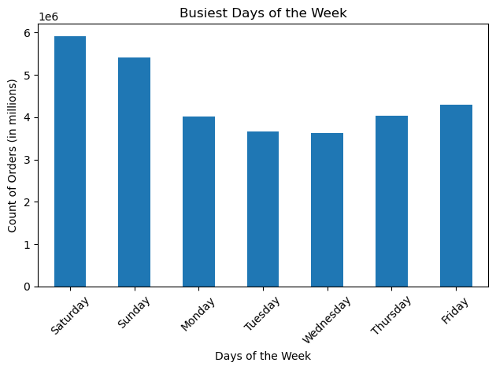
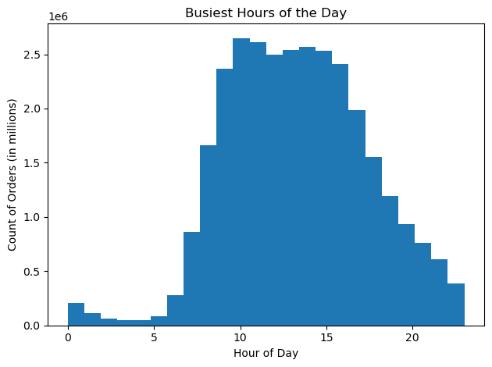

Key Question 2: They also want to know whether there are particular times of the day when people spend the most money, as this might inform the type of products they advertise at these times.

- Expenditure is at its highest when order placement is at its lowest (before 5am) and vice versa.
- This suggests that though few orders are being placed during this time, expensive items are being bought at a higher rate compared to the rest of the day.
- Customer expenditure is the highest Friday and Saturday and lowest during the rest of the week.
- This suggests customers like to place orders on the weekend to stock up on groceries before the start of the workweek.

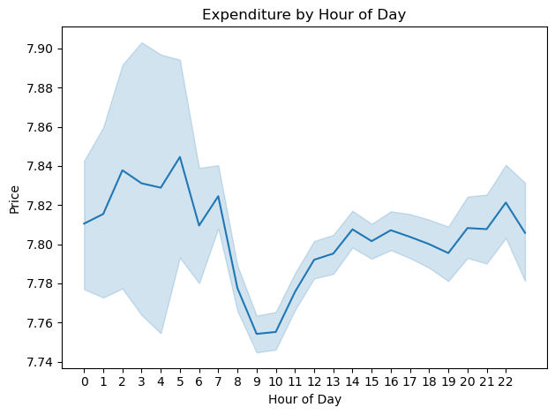
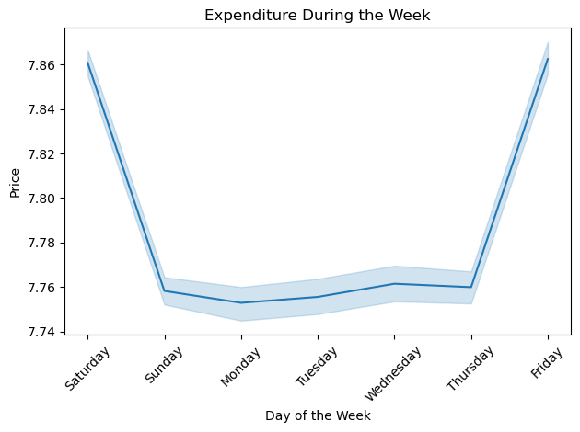

Key Question 3: Instacart has a lot of products with different price tags. Marketing and sales want to use simpler price range groupings to help direct their efforts.

- Prices are broken down into 3 categores (low-, mid-, and high-range).
- The histogram shows the price range (<$5 - $25) and the count of items for each price.
- Most products are less than $15 (low to mid-range).
- Few Products are priced above $15 (high-range).
- Over 67% of the products sold fall into the mid-range category ($5 - $15).
- 31% of the products sold are considered low-range (< $5).
- Very few products (1%) are considered high-range (> $15).
- This suggests that there is low demand for premium goods, as most customers buy items in the low to mid-range category.



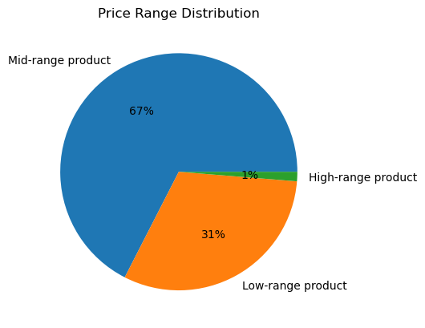
Price Distribution

Price

Key Question 4: Are there certain types of products that are more popular than others? The marketing and sales teams want to know which departments have the highest frequency of product orders.

- Top 5 departments with the most orders are produce, dairy/eggs, snacks, beverages, and frozen.
- The departments with the least amount of orders are pets, alcohol, and international.
- Among the most popular produce items are bananas, organic strawberries, and organic baby spinach.

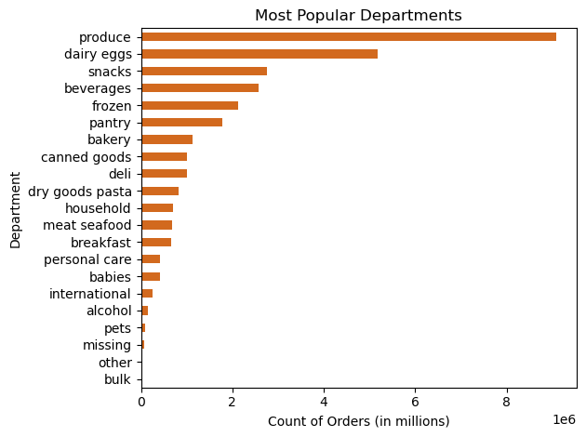
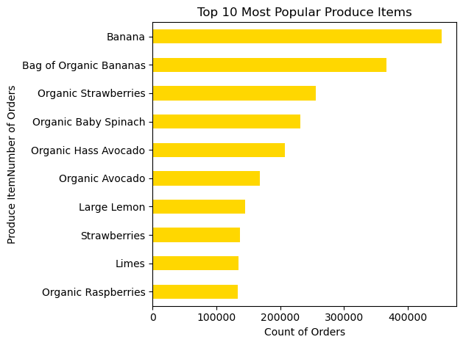

The marketing and sales teams are particularly interested in the different types of customers in their system and how their ordering behaviors differ.
Key Question 5a: What's the distribution among users in regards to their brand loyalty (i.e., how often do they return to Instacart)?

- Regular customers account for over half of the customer base (51%) or 15.9M people.
- Loyal customers only account for a third of the customer base (~10M) with new customers accounting for 16% or 6.2M people.
- Since there are more regular vs loyal customers, this suggests that customer retention could be improved.
- Based on the average amount of days that pass between orders, loyal customers return to Instacart more frequently (avg. of 5 days between orders) than other customers, meaning they place about an order a week.
- Regular customers on average place an order every 10 days.
- New customers use the app less frequently with an average of 18 days between orders.

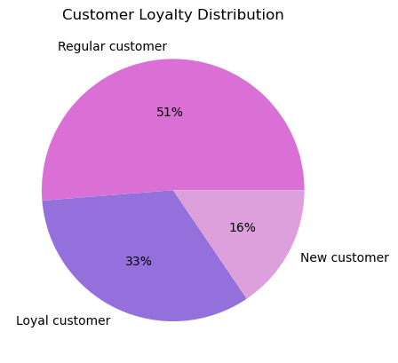

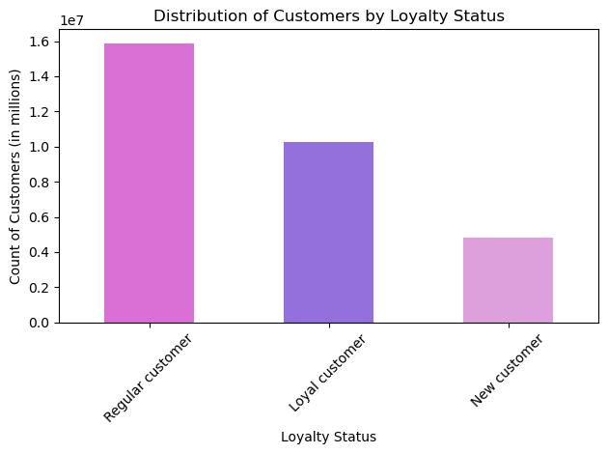

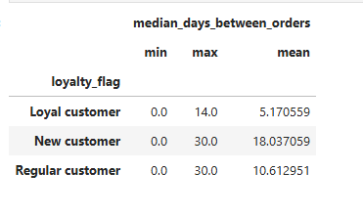

Key Question 5b: Are there differences in ordering habits based on a customer's loyalty status?

- Loyal customers (those who placed 40+ orders) on average place the most orders (~ 32).
- New customers (<= 10 orders) place the least amount of orders (~ 4).
- Regular customers (those who placed between 10-40 orders) are in the middle, placing on average 12 orders.

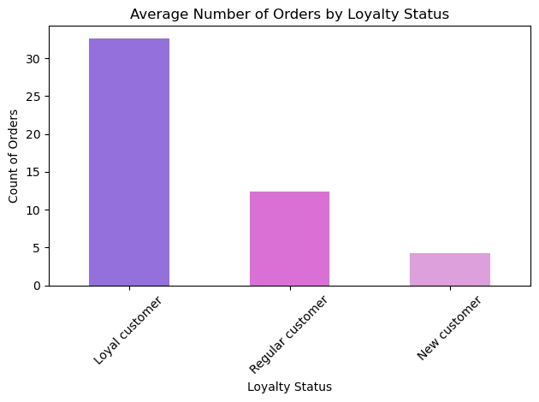

Key Question 5c: Are there differences in ordering habits based on a customer's region?

- Similar departments are popular in each region.
- Produce is most frequently ordered in every region, with the South accounting for the most orders followed by the West and Midwest.
- Dairy/eggs is also popular, along with frozen, beverages, pantry items, etc.
- Frozen items are also slightly more popular in the South and the least popular in the Northeast.

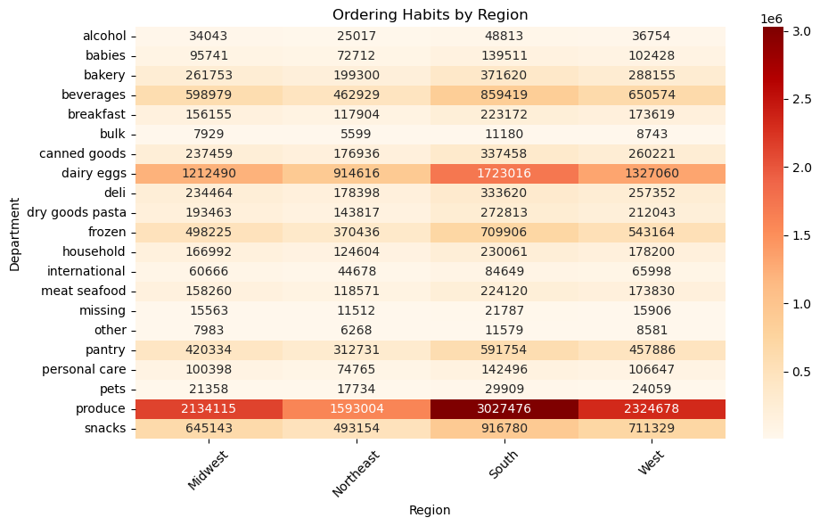

- Since age alone isn't related to number of dependents, this heatmap takes into account both age and number of dependents by profiling customers by household status.
- Senior and young singles have similar ordering habits, preferring the same departments (produce, dairy/eggs, etc.).
- Families also have similar ordering habits, purchasing mostly produce, dairy/egges, etc.
- Older families in general buy more items and seem to buy more beverages and snacks compared to the other household statuses.
Key Question 5d: Is there a connection between age and family status in terms of ordering habits?

- Age and number of dependents was found to be unrelated.
- There is wide variation amongst these variables. Young, middle-aged, and older customers all have dependents, suggesting that age alone isn't directly related to the number of dependents customers have.


Relationship Between Age and Number of Dependents

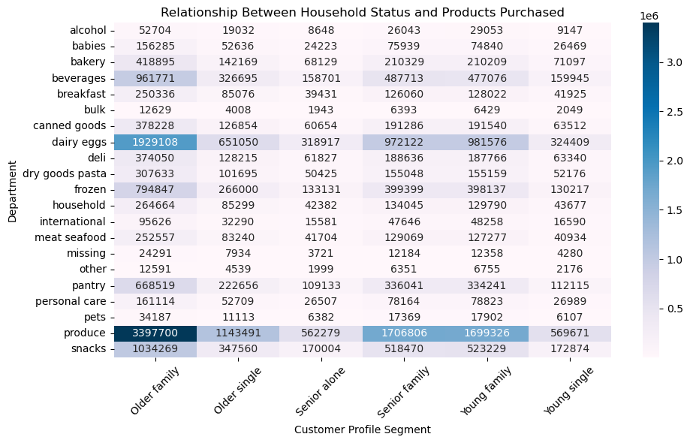

Key Question 6: What different classification does the demographic information suggest? Age? Income? Certain types of goods? Family status?

- Most customers (52%) earn an average salary (between $30,000 - $99,000), closely followed by high income earners ($99,000+) which accountfor 47% of the base.
- Few customers earn <$30,000 and account for only 1% of the customer base.
- Most customers are middle-aged adults (34+), accounting for 48% of the customer base.
- Senior (65+) and young customers (<33) make up the other half of the base at 26% and 25% respectively.

- When plotting customer age and income, no direct
relationship was found, suggesting that age alone does not directly impact income status.

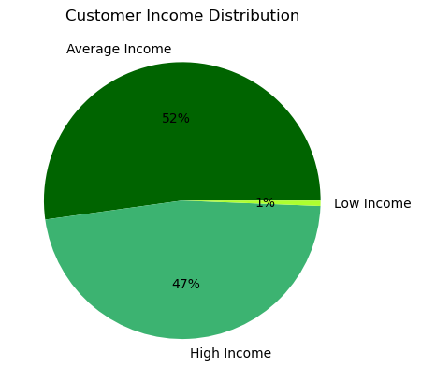
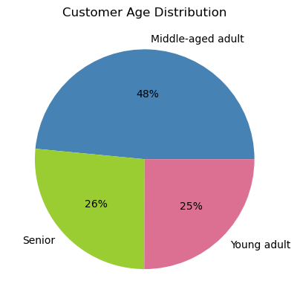
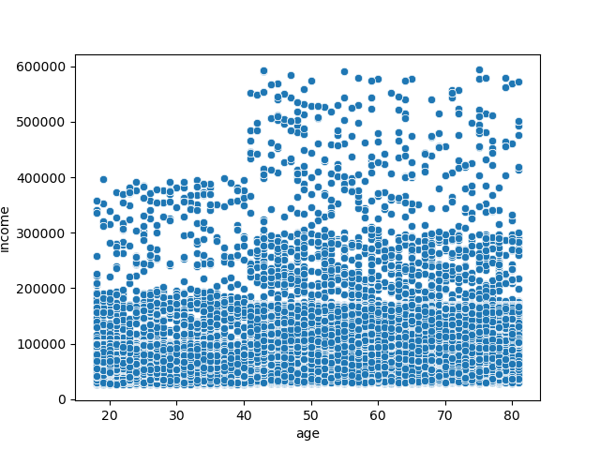
Relationship Between Age and Income

- Household status combines age and number of dependents and classifies households as familiy vs. single status (with and without dependents respectively).
- The heatmap shows that older family customers account for most of the customer base in all 4 regions of the U.S., particularly in the South which has the most older family customers.
- The West and Midwest have similar numbers of customers in every household category.
- The Northeast has the fewest customers overall. In particular, it has the fewest numbers of single young and senior adults (those without any dependents ).

- Not only are most customers older, they are also families (having 1+ dependents) accounting for 37.4% of the base.
- In total, families account for ~75% of the customer base, with young and senior singles (0 dependents) accounting for the other 25%.
- As shown in the pie chart, most customers earn an average to high salary.
- This trend holds true regionally, as the bar chart shows the distribution of customer income is similar across all regions.

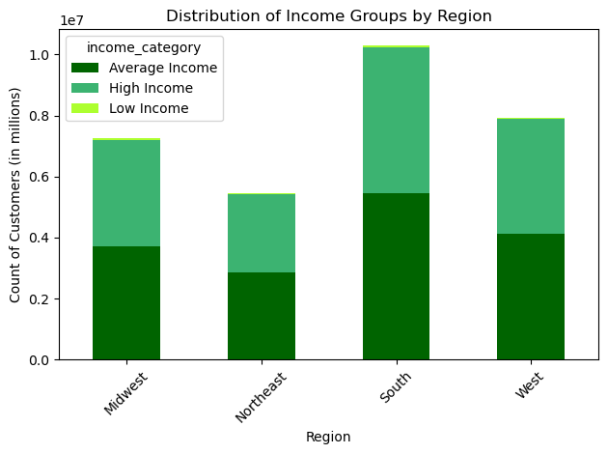

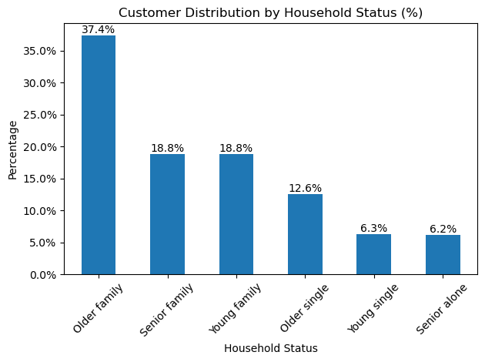
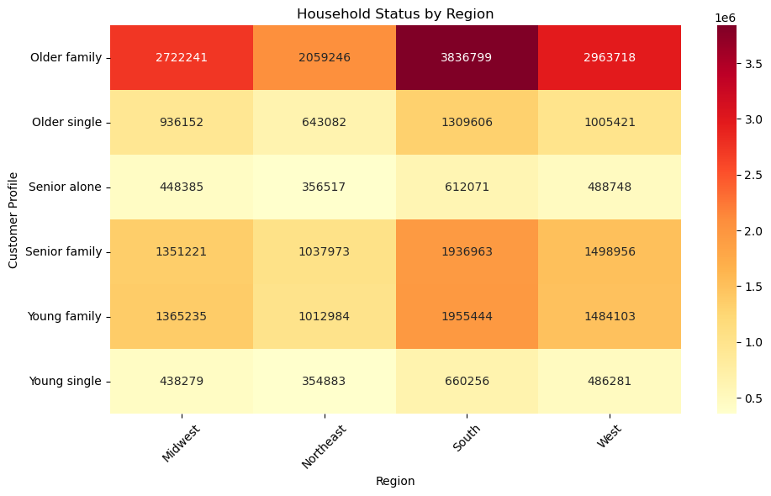

Key Question 7: What differences can you find in ordering habits of different customer profiles? Consider the price of orders, the frequency of orders, the products customers are ordering, and anything else you can think of.
- Ordering habits are similar across all age groups. The same departments (produce, dairy/eggs, etc.) are popular for all ages. This suggests department preferences are not age-dendent.

- Ordering habits are similar across all age groups. Regardless of age, the most orders are place on the same day (Saturday and Sunday).

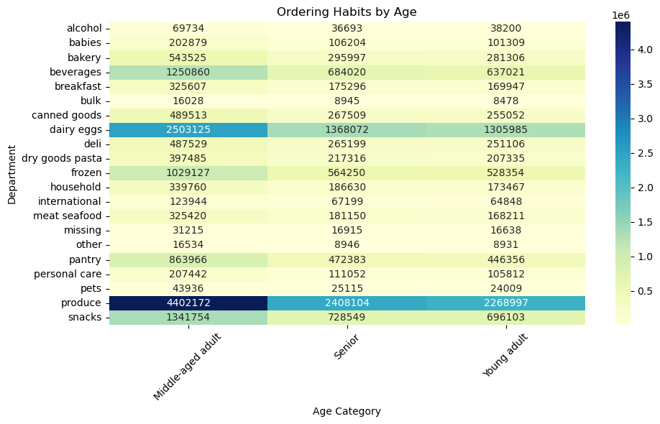
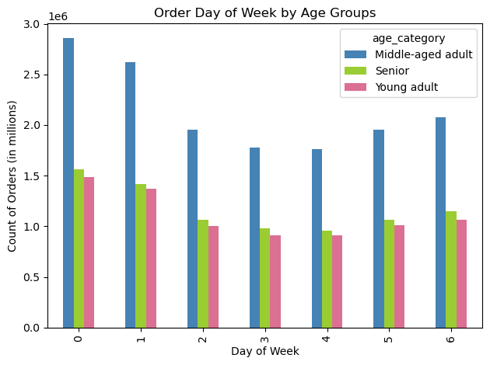

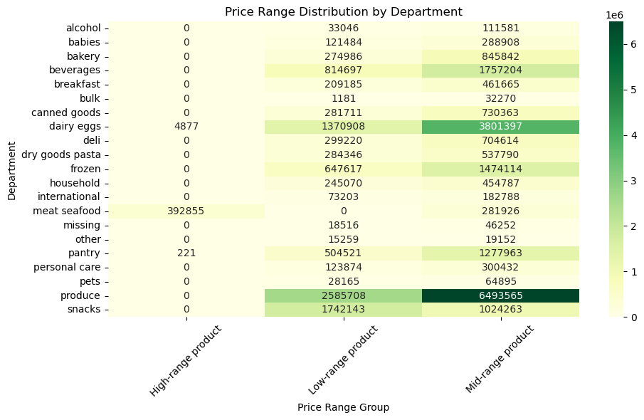

- As previously found, produce is the top department with the most orders. The heatmap shows that the majority of produce items are low-mid-range in price, indicating that customers prefer low-mid-range prices.
- Dairy/eggs also follow this trend and is the second most popular department.
- There are only several departments that contain expensive items (>$15), with meat/seafood containing most of them.
- Though most customers are families, it appears Instacart does not sell many bulk, household, and baby items (thousands) compared to other departments with millions of items.
- The international department has some of the lowest numbers of orders and most of its products are priced at mid-range. If more products were lower priced, it may help sales and boost their number of orders.

 | Histogram - to show distribution of prices

 | TUTOR NOTE
 | Line Chart of prices vs order_hour_of_day - blue band is the spread of prices for each hour bin - tracking customers purchasing more or less expensive items depending on the time of day Narrower the more orders there are (9am - evening) and wider the fewer the orders (before 5am) Not about hours during the day

7. Recommendations
 |  |  | Title page

Recommendations

In this tab you should include any recommendations you would made to Instcart in terms of their marketing strategy based on the questions posed in the brief. Every key question has been covered in the Tasks of the Exercises - here you need to add an item - a visualisation or table/crosstable that is showing the answer in the data, acompanied by a comment from you. Please, list the questions below and add the answer underneath.

Question | Insights | Recommendations
What are the busiest days of the week and hours of the day, in order to schedule ads at times when there are fewer orders? | The busiest days are Saturday and Sunday, from 9am - 4pm. The slowest hours of business are after 3/4pm - 5am, especially during midweek (Tuesday and Wednesday). | Marketing teams should consider running more ads or shopping reminders to customers from 8pm - 5am during midweek, particularly on Tuesday and Wednesday in order to boost orders during these periods of low activity.

Are there particular times of the day when people spend the most money? As this might inform the type of products they advertise at these times. | Customers tend to spend more during early morning hours (before 5am) compared to the rest of the day. This suggests customers tend to buy more items or more expensive items in their orders during this time. This also aligns with the trend that customers spend more on the weekend (Friday and Saturday), which may be due to routine orders, buying essentials, or stocking up on groceries before the beginning of the workweek. | To boost customer engagement and sales during periods of low activity, Instacart could send push notifications during the day/afternoon with limited-time discounts on popular/replenishable items. To boost sales after 4pm (when orders decrease), ads could be run to promote dinner/meal kits, recipes, etc. during this time to drive customer engagement.

Are there certain types of products that are more popular than others? The marketing and sales teams want to know which departments have the highest frequency of product orders. | Produce is the most popular department with the most orders. In particular, bananas (regular and organic), organic strawberries, and organic baby spinach are among the top produce items. Dairy/eggs, snacks, beverages, and frozen departments round out the top 5. This suggests that customers frequently by fresh items and keep returning for repeat shopping. | Sales and marketing teams should feature these top items for customers to easily see and buy. Seasonal fruits could be featured in campaigns to boost sales of both popular fruits and others. Encourage purchasing add-on items by bundling popular fruits featured in recipes (for example, promote snack ideas that involve bananas + cereal).

What's the distribution among users in regards to their brand loyalty (i.e., how often do they return to Instacart)? Are there differences in ordering habits based on a customer's loyalty status? | As per their status, loyal customers place the most orders on average, while new customers place the least. Most of the customer base is comprised of regular customers (51%), with loyal customers accounting for a third of the base (33%) and new customers accounting for about 16%. In terms of order frequency, loyal customers return to the app most often, with new customers showing the most infrequent use. | Marketing teams should focus on customer acquisition to obtain more new customers and offer targeted promotions to boost their order frequency. To increase order frequency for regular customers, exclusive discounts could be offered, or they could be given reorder reminders to help improve their order frequency. Since there are more regular customers vs. loyal customers, this suggests that users drop off/stop using the app because they are not reaching loyal status. Marketing teams could introduce loyalty programs to improve the retention of customers.

Are there differences in ordering habits based on a customer's region? | On a department level, customer ordering habits are similar across all 4 regions of the U.S. Popular departments with the most orders include produce, dairy/eggs, snacks, etc. | Since ordering habits, at least on a department level do not seen to differ across the regions, marketing teams can run nationwide promotions featuring similar items. There may be more subtle regional differences in ordering habits at a product-level, which could be further investigated.

Is there a connection between age and family status in terms of ordering habits? | Age and number of dependents was found to be unrelated, suggesting that age does not directly impact the number of dependents customers have. Every customer age group has at least one dependent in their household, showing that older customers don't necessarily have more dependents or vice versa. Ordering habits across all household categories are similar, in that every household prefers the same departments (produce, dairy/eggs, snacks,etc.). This suggests that purchasing preferences do not differ among family vs. single households. | Targeting families vs. single status may not be effective for promotions. Instead, marketing and sales teams may consider using personalized recommendations for customers to increase sales. Since customer preferences are similar across all household categories, ads should focus on these popular departments.

What different classification does the demographic information suggest? Age? Income? Certain types of goods? Family status? | Most of the customer base (75%) are older families (33+ with 1+ dependents), earning an average to high income ($30,000 - $99, 000). This trend holds true regionally, showing that customer income status is similar across all 4 regions. Due to wide variation of the variables, age and income status were found to be unrelated. This suggests that age alone does not directly impact income status. Regionally, most of the older familiy customers reside in the South, with the fewest amount of customers being in the Northeast (particularly senior and young singles). | Customers who earn lower incomes (<$30,000) account for less than 1% of the customer base. To serve a broader audience of customers, marketing teams could highlight affordable items and offer more budget-friendly items on the app. The Northeast poses as an opportunity for market expansion and customer growth. Marketing teams could offer regional promotions in the area to boost app usage, gain customers, and increase sales in the region.

What differences can you find in ordering habits of different customer profiles? Consider the price of orders, the frequency of orders, the products customers are ordering, and anything else you can think of. | Ordering habits are similar across all age groups, with the same departments (produce, dairy/eggs, etc.) being the most popular. All ages also tend to order on the same days (Saturday and Sunday). This indicates that customer ordering habits are not age-dependent (at least not on department -level). Produce is the top department with the most orders and the majority of produce items are low-mid-range in price, indicating that customers prefer low-mid-range prices. Though the customer base is mostly comprised of families, fewer items in departments such as bulk, baby, and household are being sold. Product offerings could better reflect potential customer needs. | Marketing and sales teams shouldn't promote departments based on age-segmentation, since all ages prefer the same departments. Instead, popular departments should be promoted to reach all audiences. There is low demand for high-priced/premium goods. Therefore, inventory of low to mid-range products should be in high supply at all times. Since most customers are older families, more family-oriented items could be sold (bulk, baby, household essentials) in order to increase customer sales. Marketing teams could also run ads to better promote these items on the weekend when this demographic places the most orders.

